With Project

Consolidate Statements of Income
 | 2001 | 2002 | 2003 | 2004 | 2005
Net Sales | $5,462 | $6,554 | $7,865 | $9,438 | $11,326
COGS | 2,817 | $3,240 | $3,725 | $4,284 | $4,927
Gross Profit | $2,645 | $3,315 | $4,140 | $5,154 | $6,399
Operating Expenses
SGA | 1,183 | 1,301 | 1,431 | 1,575 | 1,732
R&D | 560 | $644 | $741 | $852 | $979
Other expenses | 400 | $440 | $484 | $532 | $586
Total Operating Expenses | 2,143 | 2,385 | 2,656 | 2,959 | 3,297

Net Income | $502 | $930 | $1,484 | $2,195 | $3,102

After marketing
Sales increase % each year | 20%
R&D % increase | 15%
COGS % | 15%
Other expenes % increase | 10%

average PM | 19.82%
profit margin | 0.00% | 20.21% | 19.93% | 19.68% | 19.46%

Statement of CFs
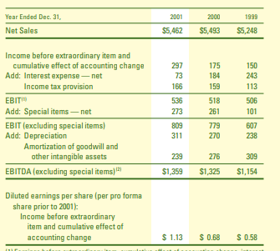
 | 2001 | 2002 | 2003 | 2004 | 2005
Operating Cash Flow
Net Earnings | 463 | 556 | 667 | 800 | 960
Plus: Depreciation & Amortization | 554 | 565 | 576 | 588 | 600
Less: Changes in Working Capital | -401 | -441 | -485 | -534 | -587
Cash from Operations | 616 | 680 | 758 | 854 | 973

Investing Cash Flow
Investments in (PPE/general investments) | -433 | -476 | -524 | -472 | -424
Cash from Investing | -433 | -476 | -524 | -472 | -424

Financing Cash Flow
Issuance(repayment) | -7 | 300 | 200 | -50 | -50
Cash from Financing | -7 | 300 | 200 | -50 | -50

Net Increase (decrease) in Cash | 176 | 503 | 434 | 333 | 498
Opening Cash Balance | 131 | 176 | 503 | 434 | 333
Closing Cash Balance | 307 | 679 | 937 | 767 | 831

Increase in net earnings | 20%
Depreciation rate % | 2%
working capital change% | 10%
PPE % | 10% | for 2 years,and then | -10%
Finance borrow in 2001, 2004, 2005
Finance repay in 2002, 2003

